Summer Camp
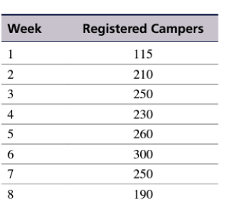
Summer Sports Camp at State University
Week | Sheet Demand | x1 (New Sheets) | y1 (Laundromat) | z1 (Friend) | Total Cleaned Sheets we have at that week | Available Sheets
1 | 115 | 115 | 0 | 0 | 0 | 115
2 | 210 | 210 | 0 | 0 | 0 | 210
3 | 250 | 250 | 0 | 0 | 115 | 250
4 | 230 | 138 | 0 | 115 | 210 | 230
5 | 260 | 92 | 0 | 210 | 250 | 260
6 | 300 | 0 | 125 | 250 | 230 | 300
7 | 250 | 0 | 208 | 105 | 260 | 250
8 | 190 | 0 | 185 | 53 | 185 | 190

 |  |  | Minimize Z | $11,585.00

